Risk Rating Scheme, Risk Matrix
Risk Matrix

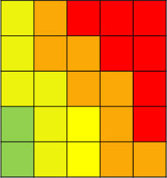
A
Almost Certain
Likely
Possible
Unlikely
Rare
RISK MATRIX
IMPACT
THREAT
B
C
D
E
LIKELIHOOD
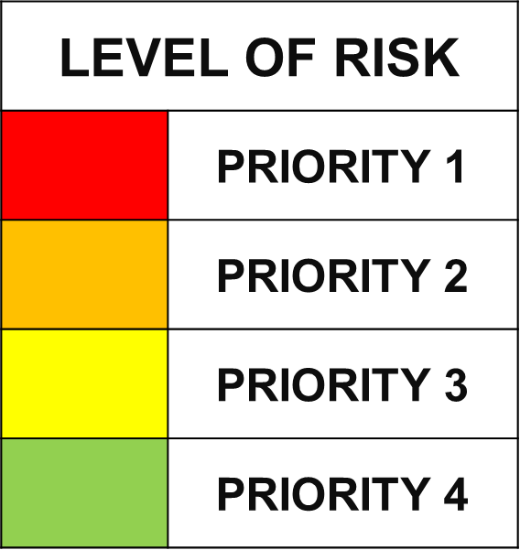
Cells are assigned a Risk Rank (1 to 25) for use in reports. Risk Levels (e.g. red, orange, yellow, green) indicate the degree of management attention required, the project defines this prioritization sequencing.

Risk Rating Scheme

Risk Likelihood Categories
Likelihood | A Rare | B Unlikely | C Possible | D Likely | E Almost Certain
 | Risk has an occurrence of less than 1% in the relevant industry. | Risk is unlikely to occur on this project with current processes and procedures in place. | Risk occurs often within the industry or Company. | Risk has recently occurred on a similar project within the industry or Company. | Risk is highly likely to occur on this project; potentially multiple times.
(or) Probability | <= 10% | >10% to 30% | >30% to 70% | >70% to 90% | >90%

Risk Impact Categories
Impact Category | A Very Low | B Low | C Medium | D High | E Very High
Cost | Project-Specific e.g. < 1% of budget | Project-Specific e.g. 1-5% of budget | Project-Specific e.g. 5-10% of budget | Project-Specific e.g. 10-25% of budget | Project-Specific e.g. > 25% of budget
Time | Project-Specific e.g. < 1 month delay | Project-Specific e.g. 1-3 months delay | Project-Specific e.g. 3 - 6 months delay | Project-Specific e.g. 6 - 12 months delay | Project-Specific e.g. > 12 months delay
Safety | First aid or slight injury/illness requiring no treatment. | Recordable, medical treatment, restricted work, temporary effect. | Lost time injury/illness or permanent disability. | Single fatality or permanent disability of less than 3 persons. | Multiple fatalities.
Quality | Defects in work identified. Minor corrective action contained within operational role in that shift. Insignificant impact, fully contained. Minor productivity impact. | Defective work identified. Corrective action spanning multiple shifts required. Minor schedule and cost impact. Schedule recoverable. | Systemic defective work produced & identified prior to operational testing. Multiple corrective actions required over many days. Moderate schedule impact or knock-on effect delaying subsequent work activity by a number of days & up to $50k cost impact to business. | Defective work not identified until operational testing. Single corrective actions spanning multiple weeks. Significant impact. Risk of lost time incident in operational testing. Multiple weeks delay to schedule and up to $1M cost impact to business. | Systemic defective work produced & not identified until operational testing. Multiple corrective actions required spanning months. Catastrophic impact, risk of employee fatality in operational testing. Multiple months impact on schedule & multi-$M cost impact to business.
Environmental | Insignificant impact; fully contained. | Negligible short-term impact, confined on site, no regulatory exceedance. | Moderate to significant impact confined on site, regulatory exceedance, or any off-site impact. | Significant impact on or off-site, or potential enforcement action. | Catastrophic impact, long- term liability, or irreversible damage.
Community | Little or no complaint(s) to site and/or regulator from abutters, local stakeholder groups, or local government. | Minor complaint(s) from abutters, local stakeholder groups, or local government. | Significant complaint(s) from abutters, local stakeholder groups, or local government. Isolated, small-scale protest. | Persistent complaints from community and national stakeholder groups or national government. Large-scale protests. Threat of legal action. | Community/NGO legal action. Significant concerns expressed by key international stakeholder groups or from more than one national government. Sustained large-scale protests with injury or damages.
Reputation | No negative media coverage. No disruptions in current operations. | Local negative media coverage. Some limits on current operations. | Regional negative media coverage. Disruptive impact on current operations. Issue creates complications with customer relationship. | Sustained negative regional or national media coverage. Significant and/or sustained impact on project progress/current operations. Issue creates significant customer conflict. | Influential national or international negative media coverage. Significant impact on project delivery for months. Customer publicly states dissatisfaction with contractor. Significant legal action.
Security | A threat exists against the asset or a person. A willful criminal act or condition resulting in no injuries, no project delays, or minimal loss or damage. Normal management action required. | A threat exists against the asset or a person. A willful criminal act or condition resulting in minor injuries, minimal project delays, or some loss or damage. Normal management action required. Low level of external emergency service assistance may be required. | A threat exists against the asset or a person. A willful criminal act or condition resulting in non-life threatening injuries, some project delays, or loss or damage. External emergency service assistance may be required. | A threat exists against the asset or persons. A willful criminal act or condition resulting in serious injury, severe project disruption, or major destruction. External emergency service assistance is required. | A threat exists against the asset or persons. A willful criminal act or condition resulting in death or severe injury, severe project disruption, or major destruction. Multiple external emergency services assistance is required.

